test result
TECHMAN ROBOT INC. |  |  |  |  |  |  |  |  |  |  |  |  |  |  |  |  |  |  |  |  |  |  |  |  |  |  |  |  | Product Document
Subject: |  |  |  |  |  | MPRM DVT Test Report |  |  |  |  |  |  |  |  |  |  |  |  |  |  |  |  |  |  |  |  |  |  |  | Rev:
Project Code: |  |  |  |  |  | TMAA |  |  |  |  |  |  |  |  |  |  |  |  |  |  |  |  | Doc. No.: |  |  |  | - |  |  | 1
Model Name: |  |  |  |  |  | TM14 |  |  |  |  |  |  |  |  |  |  |  |  |  |  |  |  | Release Date: |  |  |  | 2022-04-20 |  |  | 3 Pages
Collision test of human body parts
Purpose:
To confirm DUT(Device Under Test) impact force meets ISO/TS 15066 specification.

Environment:
1. Test Tools: GTE
2. Operation Mode: Collaborative Mode.
3.Safety setting : default
4. Payload: X Y axis 0.67kg、Z axis 0.12kg

Criteria:
1. The DUT should meet the specification.
2. For the maximum force specifications for various parts of the human body, reference to ISO / TS 15066.
3. Static force must be less than half of the maximum force
Condition:
 | 1. Arm Model name & SN:

 | 2. ControlBox Model name、SN& HW Ver:

 | 3. HMI Ver:

 | 4. Power Manager Ver:

 | 5. Safety Monitor Ver:

 | 6. Joint FW Ver:

 | 7. I/O Ver:

 | 8. Test Date:

 | 9. Tester:

 | Conclusion
 |  |  |  |  |  |  |  |  |  | Pass

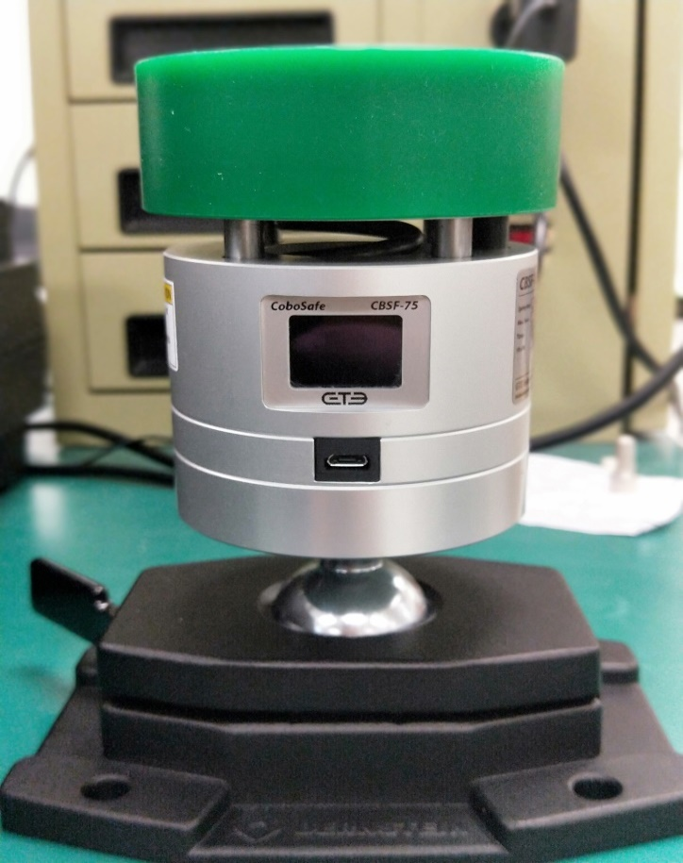
K1
(SH10)
K2
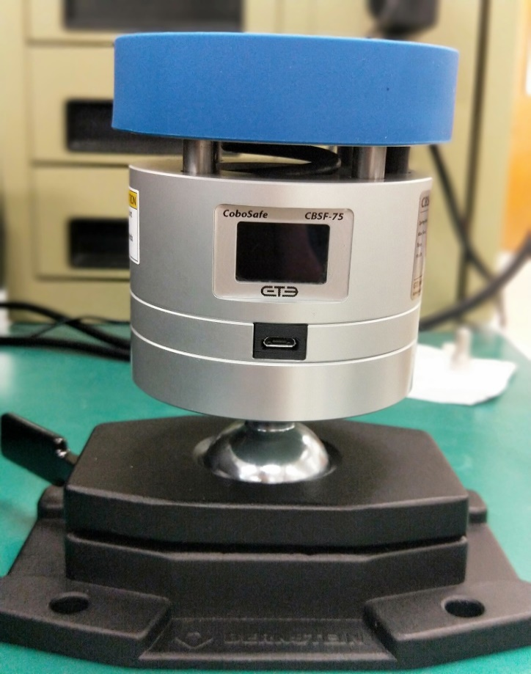
K1
(SH30)
K2
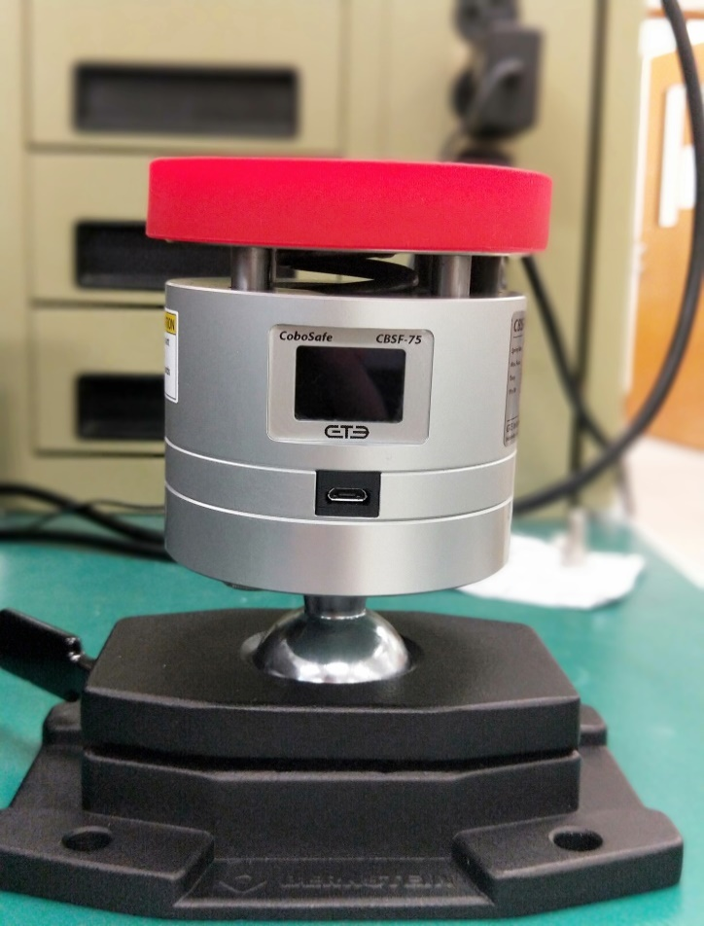
K1
(SH70)
K2
Illustration of this test :
 | GTE

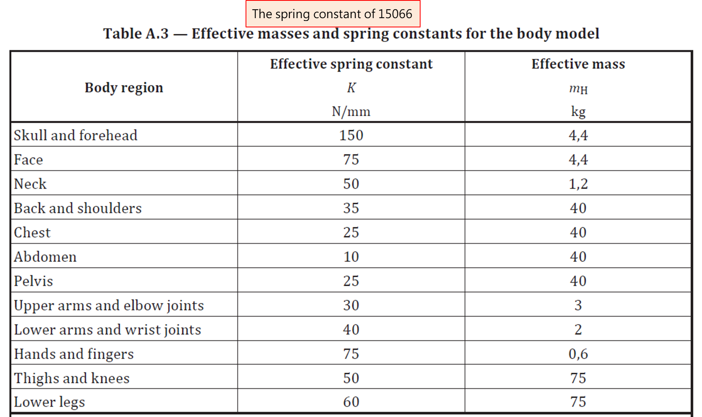
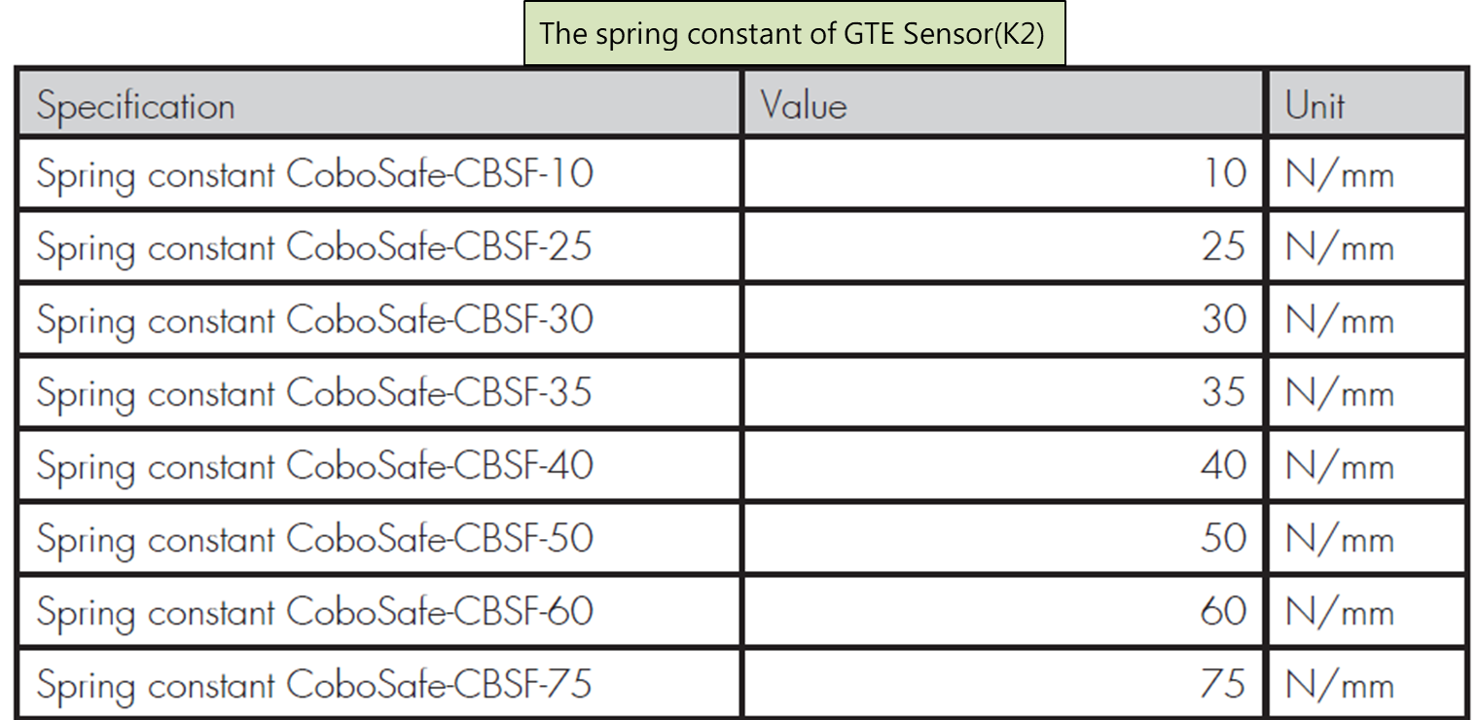
 |  | ‧The spring constant of GTE K2 complies with the specifications of ISO 15066

 |  | ‧The K1 damping elements is are used to simulate the biomechanical properties of body surfaces.
 |  |  | and protect K2 from damage caused by collision.

Illustration of this test :

 | 1.The distance between the target point and the robot base is half reach.
 | 2.Impact tool length is 100 mm.
 | 3.The impact compression value is 50mm.
 | 4.Tool origin point:
 | Angle( °) |  |  |  | J1 |  |  | J2 |  |  |  | J3 |  | J4 |  | J5 |  | J6
 |  |  |  |  |  |  |  | 35.27 |  |  |  | 127.66 |  | -72.92 |  | -90
 | 5.Collision velocity setting:
 | K2 |  |  | Part |  |  | K1 |  | Force Spec. |  | Test Velocity(mm/s)
 | 10 |  |  | Abdomen |  |  | SH10 |  | 220 |  | 162
 | 25 |  |  | Chest |  |  | SH70 |  | 280 |  | 135
 | 30 |  |  | UpperArm |  |  | SH30 |  | 300 |  | 200
 | 35 |  |  | Back |  |  | SH30 |  | 420 |  | 162
 | 40 |  |  | LowerArm |  |  | SH70 |  | 320 |  | 162
 | 50 |  |  | Thigh |  |  | SH30 |  | 440 |  | 162
 | 60 |  |  | LowerLeg |  |  | SH30 |  | 260 |  | 72
 | 75 |  |  | Hands |  |  | SH70 |  | 280 |  | 90

Test Result:

Robot S/N |  |  |  |  |  |  |  |  |  |  |  |  |  |  |  |  |  |  |  |  |  |  |  |  |  | Unit: Newton (N)
 |  |  |  |  |  |  |  |  |  | X_Axis |  |  |  |  |  |  | Y_Axis |  |  |  | Z_Axis |  |  |  |  |  |  | Result
 |  |  |  |  |  |  |  |  |  | G-Sensor (Enable) |  |  |  | G-Sensor (Disable) |  |  | G-Sensor (Enable) |  | G-Sensor (Disable) |  | G-Sensor (Enable) |  |  | G-Sensor (Disable)
K2 |  |  | Part |  |  | K1 |  | Force Spec. |  | Force (Max) |  |  | Force (static) | Force (Max) | Force (static) |  | Force (Max) | Force (static) | Force (Max) | Force (static) | Force (Max) | Force (static) |  | Force (Max) |  | Force (static) |  | Pass/ Fail
10 |  |  | Abdomen |  |  | SH10 |  | 220 |  |  |  |  |  |  |  |  |  |  |  |  |  |  |  |  |  |  |  | Pass
25 |  |  | Chest |  |  | SH70 |  | 280 |  |  |  |  |  |  |  |  |  |  |  |  |  |  |  |  |  |  |  | Pass
30 |  |  | UpperArm |  |  | SH30 |  | 300 |  |  |  |  |  |  |  |  |  |  |  |  |  |  |  |  |  |  |  | Pass
35 |  |  | Back |  |  | SH30 |  | 420 |  |  |  |  |  |  |  |  |  |  |  |  |  |  |  |  |  |  |  | Pass
40 |  |  | LowerArm |  |  | SH70 |  | 320 |  |  |  |  |  |  |  |  |  |  |  |  |  |  |  |  |  |  |  | Pass
50 |  |  | Thigh |  |  | SH30 |  | 440 |  |  |  |  |  |  |  |  |  |  |  |  |  |  |  |  |  |  |  | Pass
60 |  |  | LowerLeg |  |  | SH30 |  | 260 |  |  |  |  |  |  |  |  |  |  |  |  |  |  |  |  |  |  |  | Pass
75 |  |  | Hands |  |  | SH70 |  | 280 |  |  |  |  |  |  |  |  |  |  |  |  |  |  |  |  |  |  |  | Pass

CONFIDENTIAL

Observation # |  |  |  |  |  | Observation Description |  |  |  |  |  |  |  |  |  |  |  |  |  |  |  |  |  |  | Issue Reference #
1
2
3
4

